Summary
Incremental Potential by Bundle (GWh)
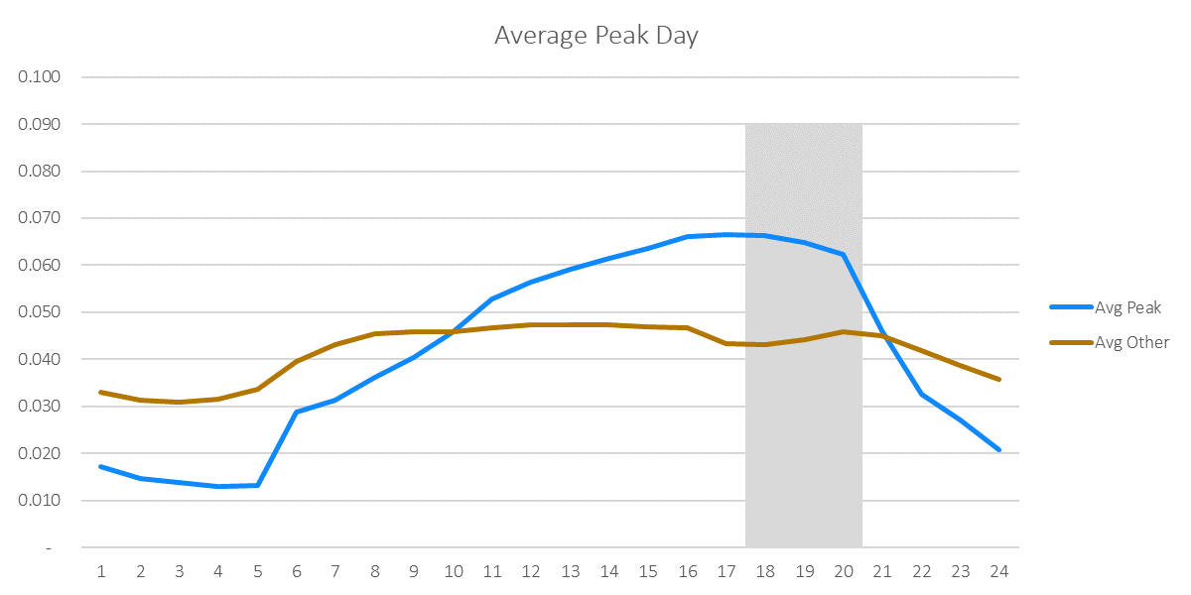
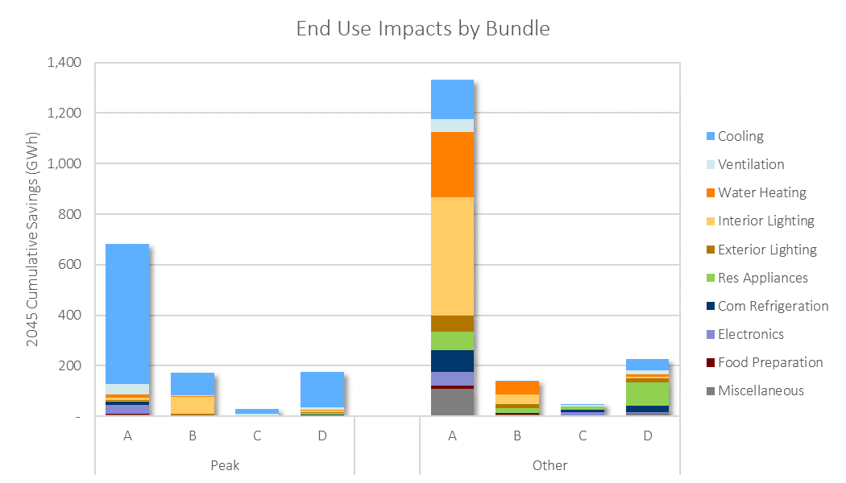

Incremental Potential by Bundle (GWh)
Bundle | 2022 | 2023 | 2024 | 2025 | 2026 | 2027 | 2028 | 2029 | 2030 | 2031 | 2032 | 2033 | 2034 | 2035 | 2036 | 2037 | 2038 | 2039 | 2040 | 2041 | 2042 | 2043 | 2044 | 2045 | 2046 | 2047 | 2048 | 2049 | 2050
Peak_A | 20.39 | 22.60 | 25.37 | 32.28 | 31.41 | 34.05 | 36.94 | 37.42 | 37.17 | 38.54 | 36.72 | 34.48 | 32.23 | 28.74 | 28.19 | 27.37 | 27.53 | 30.75 | 27.86 | 24.19 | 20.20 | 18.58 | 16.75 | 16.63 | 16.48 | 16.29 | 16.06 | 15.80 | 15.49
Other_A | 51.08 | 55.44 | 60.68 | 75.22 | 68.48 | 63.61 | 66.68 | 70.22 | 72.27 | 72.64 | 70.90 | 63.87 | 60.59 | 54.29 | 53.54 | 43.04 | 41.91 | 42.65 | 41.96 | 43.33 | 35.60 | 37.19 | 32.86 | 32.76 | 32.60 | 32.36 | 32.06 | 31.69 | 31.25
Peak_B | 8.84 | 8.59 | 9.09 | 9.25 | 7.80 | 7.15 | 7.08 | 7.12 | 6.89 | 6.85 | 6.86 | 6.99 | 7.31 | 6.49 | 6.33 | 6.05 | 5.66 | 6.55 | 5.50 | 4.27 | 3.69 | 3.48 | 3.01 | 2.99 | 2.96 | 2.93 | 2.88 | 2.83 | 2.77
Other_B | 7.53 | 5.54 | 5.78 | 8.12 | 4.67 | 3.01 | 3.58 | 4.01 | 4.43 | 4.71 | 4.62 | 4.67 | 4.55 | 4.48 | 4.10 | 4.00 | 4.51 | 4.56 | 4.32 | 3.78 | 3.54 | 3.23 | 2.60 | 2.59 | 2.57 | 2.54 | 2.51 | 2.48 | 2.45
Peak_C | 1.37 | 1.46 | 1.54 | 1.93 | 1.73 | 1.80 | 1.86 | 1.91 | 1.94 | 1.46 | 1.21 | 1.21 | 1.19 | 1.20 | 1.21 | 1.23 | 1.25 | 1.27 | 1.11 | 0.84 | 0.80 | 0.78 | 0.75 | 0.75 | 0.75 | 0.74 | 0.74 | 0.73 | 0.72
Other_C | 1.71 | 1.99 | 2.26 | 2.70 | 2.67 | 2.96 | 3.17 | 3.38 | 3.31 | 3.30 | 3.12 | 3.00 | 2.09 | 2.10 | 2.03 | 1.84 | 1.75 | 1.77 | 1.58 | 1.19 | 0.94 | 0.78 | 0.74 | 0.74 | 0.73 | 0.72 | 0.71 | 0.69 | 0.68
Peak_D | 7.65 | 8.80 | 9.91 | 11.22 | 12.05 | 13.02 | 13.92 | 14.73 | 14.58 | 14.09 | 13.86 | 13.03 | 6.76 | 6.46 | 6.47 | 6.48 | 6.50 | 6.53 | 6.06 | 4.09 | 3.66 | 3.58 | 3.50 | 3.48 | 3.47 | 3.44 | 3.42 | 3.38 | 3.34
Other_D | 7.35 | 8.16 | 9.54 | 10.73 | 11.34 | 12.19 | 12.51 | 13.29 | 13.34 | 13.18 | 13.09 | 12.59 | 10.61 | 10.22 | 9.79 | 9.41 | 8.94 | 9.59 | 8.68 | 7.40 | 6.80 | 6.35 | 5.72 | 5.69 | 5.64 | 5.59 | 5.52 | 5.44 | 5.35
Total | 105.93 | 112.58 | 124.19 | 151.45 | 140.15 | 137.79 | 145.73 | 152.08 | 153.93 | 154.77 | 150.39 | 139.85 | 125.32 | 113.98 | 111.66 | 99.42 | 98.04 | 103.66 | 97.06 | 89.10 | 75.24 | 73.96 | 65.94 | 65.64 | 65.20 | 64.62 | 63.90 | 63.04 | 62.05

Cumulative Potential by Bundle (GWh)
Bundle | 2022 | 2023 | 2024 | 2025 | 2026 | 2027 | 2028 | 2029 | 2030 | 2031 | 2032 | 2033 | 2034 | 2035 | 2036 | 2037 | 2038 | 2039 | 2040 | 2041 | 2042 | 2043 | 2044 | 2045 | 2046 | 2047 | 2048 | 2049 | 2050
Peak_A | 20 | 43 | 68 | 101 | 132 | 166 | 203 | 240 | 278 | 316 | 353 | 387 | 420 | 448 | 477 | 504 | 531 | 562 | 590 | 614 | 634 | 653 | 670 | 686 | 703 | 719 | 735 | 751 | 767
Other_A | 51 | 107 | 167 | 242 | 311 | 375 | 441 | 511 | 584 | 656 | 727 | 791 | 852 | 906 | 960 | 1,003 | 1,044 | 1,087 | 1,129 | 1,172 | 1,208 | 1,245 | 1,278 | 1,311 | 1,343 | 1,376 | 1,408 | 1,440 | 1,471
Peak_B | 9 | 17 | 27 | 36 | 44 | 51 | 58 | 65 | 72 | 79 | 86 | 93 | 100 | 106 | 113 | 119 | 124 | 131 | 136 | 141 | 144 | 148 | 151 | 154 | 157 | 160 | 163 | 165 | 168
Other_B | 8 | 13 | 19 | 27 | 32 | 35 | 38 | 42 | 47 | 51 | 56 | 61 | 65 | 70 | 74 | 78 | 82 | 87 | 91 | 95 | 99 | 102 | 104 | 107 | 110 | 112 | 115 | 117 | 119
Peak_C | 1 | 3 | 4 | 6 | 8 | 10 | 12 | 14 | 16 | 17 | 18 | 19 | 21 | 22 | 23 | 24 | 26 | 27 | 28 | 29 | 30 | 30 | 31 | 32 | 33 | 33 | 34 | 35 | 35
Other_C | 2 | 4 | 6 | 9 | 11 | 14 | 17 | 21 | 24 | 27 | 31 | 34 | 36 | 38 | 40 | 42 | 43 | 45 | 47 | 48 | 49 | 50 | 50 | 51 | 52 | 53 | 53 | 54 | 55
Peak_D | 8 | 16 | 26 | 38 | 50 | 63 | 77 | 91 | 106 | 120 | 134 | 147 | 154 | 160 | 167 | 173 | 180 | 186 | 192 | 196 | 200 | 203 | 207 | 210 | 214 | 217 | 221 | 224 | 227
Other_D | 7 | 16 | 25 | 36 | 47 | 59 | 72 | 85 | 98 | 112 | 125 | 137 | 148 | 158 | 168 | 177 | 186 | 196 | 205 | 212 | 219 | 225 | 231 | 237 | 242 | 248 | 253 | 259 | 264
Total | 106 | 219 | 343 | 494 | 634 | 772 | 918 | 1,070 | 1,224 | 1,379 | 1,529 | 1,669 | 1,794 | 1,908 | 2,020 | 2,119 | 2,217 | 2,321 | 2,418 | 2,507 | 2,582 | 2,656 | 2,722 | 2,788 | 2,853 | 2,918 | 2,982 | 3,045 | 3,107

Savings-Weighted LCOE ($/MWh) Real Dollars (2019)
Bundle | 2022 | 2023 | 2024 | 2025 | 2026 | 2027 | 2028 | 2029 | 2030 | 2031 | 2032 | 2033 | 2034 | 2035 | 2036 | 2037 | 2038 | 2039 | 2040 | 2041 | 2042 | 2043 | 2044 | 2045 | 2046 | 2047 | 2048 | 2049 | 2050
Peak_A | $70 | $70 | $70 | $74 | $69 | $69 | $68 | $70 | $70 | $69 | $72 | $77 | $82 | $80 | $80 | $80 | $80 | $83 | $82 | $86 | $90 | $89 | $90 | $90 | $90 | $90 | $90 | $90 | $90
Other_A | $26 | $21 | $17 | $18 | $17 | $43 | $45 | $45 | $42 | $43 | $43 | $42 | $44 | $49 | $48 | $68 | $68 | $67 | $69 | $67 | $72 | $73 | $74 | $74 | $74 | $74 | $74 | $74 | $74
Peak_B | $72 | $84 | $88 | $59 | $70 | $94 | $107 | $116 | $114 | $126 | $133 | $137 | $136 | $127 | $124 | $124 | $128 | $139 | $158 | $157 | $156 | $133 | $131 | $131 | $131 | $131 | $131 | $131 | $131
Other_B | $27 | $48 | $63 | $45 | $102 | $186 | $170 | $174 | $173 | $180 | $185 | $186 | $186 | $187 | $187 | $187 | $157 | $159 | $154 | $156 | $148 | $151 | $180 | $180 | $181 | $181 | $181 | $181 | $181
Peak_C | $200 | $200 | $201 | $209 | $203 | $204 | $204 | $205 | $206 | $224 | $239 | $237 | $239 | $241 | $241 | $242 | $243 | $243 | $238 | $247 | $249 | $249 | $249 | $249 | $249 | $249 | $249 | $249 | $249
Other_C | $186 | $184 | $183 | $186 | $181 | $179 | $177 | $175 | $173 | $175 | $175 | $176 | $187 | $188 | $190 | $192 | $193 | $187 | $189 | $181 | $184 | $194 | $193 | $193 | $193 | $193 | $193 | $193 | $193
Peak_D | $782 | $799 | $811 | $818 | $830 | $836 | $840 | $844 | $844 | $863 | $870 | $853 | $751 | $718 | $724 | $728 | $731 | $729 | $730 | $790 | $816 | $824 | $825 | $826 | $826 | $826 | $826 | $826 | $826
Other_D | $1,723 | $1,678 | $1,534 | $1,483 | $1,469 | $1,427 | $1,429 | $1,396 | $1,401 | $1,426 | $1,435 | $1,372 | $1,422 | $1,458 | $1,519 | $1,580 | $1,653 | $1,559 | $1,624 | $1,689 | $1,753 | $1,808 | $1,326 | $1,326 | $1,325 | $1,325 | $1,325 | $1,325 | $1,325
Total | $215 | $223 | $220 | $202 | $227 | $258 | $257 | $258 | $255 | $254 | $260 | $260 | $223 | $235 | $238 | $270 | $272 | $264 | $266 | $251 | $276 | $271 | $236 | $236 | $236 | $236 | $236 | $236 | $236

Savings-Weighted LCOE ($/MWh) Nominal Dollars
Bundle | 2022 | 2023 | 2024 | 2025 | 2026 | 2027 | 2028 | 2029 | 2030 | 2031 | 2032 | 2033 | 2034 | 2035 | 2036 | 2037 | 2038 | 2039 | 2040 | 2041 | 2042 | 2043 | 2044 | 2045 | 2046 | 2047 | 2048 | 2049 | 2050
Peak_A | $70 | $72 | $73 | $78 | $75 | $77 | $77 | $81 | $83 | $83 | $89 | $97 | $105 | $105 | $107 | $110 | $111 | $118 | $120 | $128 | $137 | $137 | $142 | $145 | $148 | $151 | $154 | $157 | $160
Other_A | $26 | $21 | $18 | $19 | $18 | $48 | $51 | $52 | $50 | $52 | $53 | $53 | $56 | $64 | $65 | $93 | $95 | $95 | $100 | $99 | $109 | $112 | $117 | $119 | $122 | $124 | $127 | $130 | $132
Peak_B | $72 | $86 | $92 | $63 | $76 | $105 | $121 | $134 | $135 | $152 | $164 | $172 | $174 | $166 | $166 | $169 | $179 | $198 | $230 | $234 | $236 | $206 | $207 | $211 | $216 | $220 | $225 | $229 | $234
Other_B | $27 | $49 | $65 | $48 | $110 | $206 | $193 | $201 | $204 | $217 | $228 | $234 | $239 | $244 | $250 | $256 | $219 | $227 | $224 | $231 | $224 | $234 | $285 | $291 | $297 | $303 | $310 | $316 | $323
Peak_C | $200 | $204 | $209 | $223 | $221 | $226 | $231 | $237 | $243 | $270 | $294 | $297 | $306 | $315 | $323 | $331 | $338 | $345 | $346 | $367 | $378 | $385 | $393 | $402 | $410 | $419 | $427 | $436 | $446
Other_C | $186 | $187 | $190 | $198 | $196 | $199 | $201 | $203 | $205 | $211 | $215 | $221 | $240 | $247 | $254 | $262 | $269 | $266 | $275 | $268 | $278 | $300 | $305 | $311 | $318 | $325 | $332 | $339 | $346
Peak_D | $782 | $816 | $845 | $871 | $902 | $927 | $951 | $976 | $997 | $1,040 | $1,071 | $1,073 | $964 | $941 | $968 | $994 | $1,020 | $1,038 | $1,061 | $1,173 | $1,236 | $1,274 | $1,304 | $1,332 | $1,360 | $1,388 | $1,418 | $1,447 | $1,478
Other_D | $1,723 | $1,714 | $1,599 | $1,578 | $1,596 | $1,584 | $1,619 | $1,614 | $1,655 | $1,719 | $1,767 | $1,725 | $1,825 | $1,911 | $2,031 | $2,158 | $2,305 | $2,219 | $2,361 | $2,507 | $2,656 | $2,797 | $2,094 | $2,139 | $2,182 | $2,228 | $2,275 | $2,322 | $2,371
Total | $215 | $228 | $230 | $215 | $247 | $286 | $291 | $299 | $301 | $306 | $321 | $327 | $286 | $308 | $319 | $369 | $379 | $376 | $386 | $373 | $418 | $420 | $374 | $381 | $389 | $397 | $405 | $414 | $423

Financial Escalation Factor | 2.1%
LCOE Floor |  | Applies cap to negative levelized costs (e.g. when NEIs push costs negative or efficient option is cheaper than baseline option)
LCOE Ceiling |  | Applies cap to very high levelized costs (e.g. when a measure is an unusually small saver resulting in a near-infinite ratio)

